Sheet1
 |  | Document No. | Issue No. | Issue Date |  | Review and Replace Date |  | Authorised By
 |  | GFF126MC | 1 | 26.09.2019 |  | New Issue
 |  | Document Title | 4 VEGETABLE SAMOSA 160g
 |  |  | Page 1 of 1 |  | Clause |  | 6.1 | Magda Shah
Document amendments reason for change |  | Document created for existing product |  |  | Previous Issue Date |  | New Issue | Uncontrolled copy unless signed original

CVSAC-R6TDTC | DTC (BOOKER) |  | 4 VEGETABLE SAMOSA 160G | CHILLED

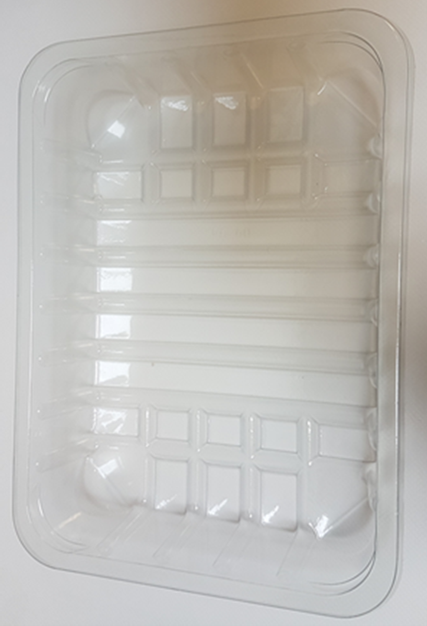 |  |  |  |  | 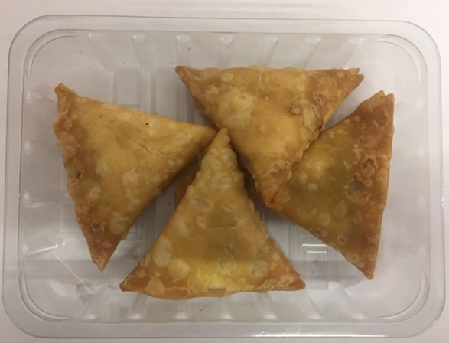

Use By applied from Date of Cook

Tray: : SK4-Plain Clear (PKESSOO1-07) |  |  |  |  | 4 x Vegetable Samosa (GFF003R) 30g
Film: Promens, 410me |  |  |  |  | Total Weight : 160g
ALLERGY ALERT: WHEAT

